all_metrics
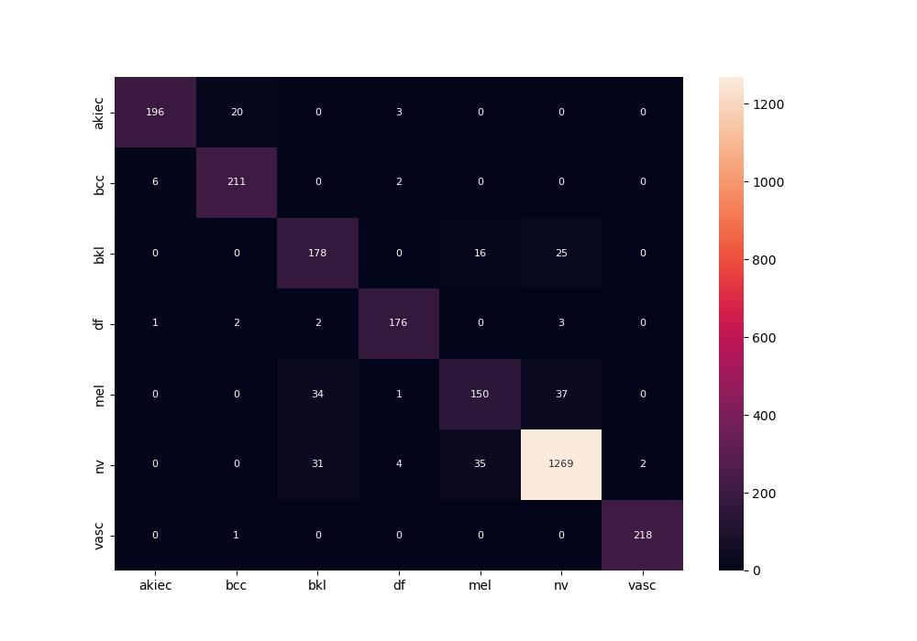
 | 0
pre | 0.88977798927
acc | 0.91422035837
recall | 0.89216754376

