all_metrics
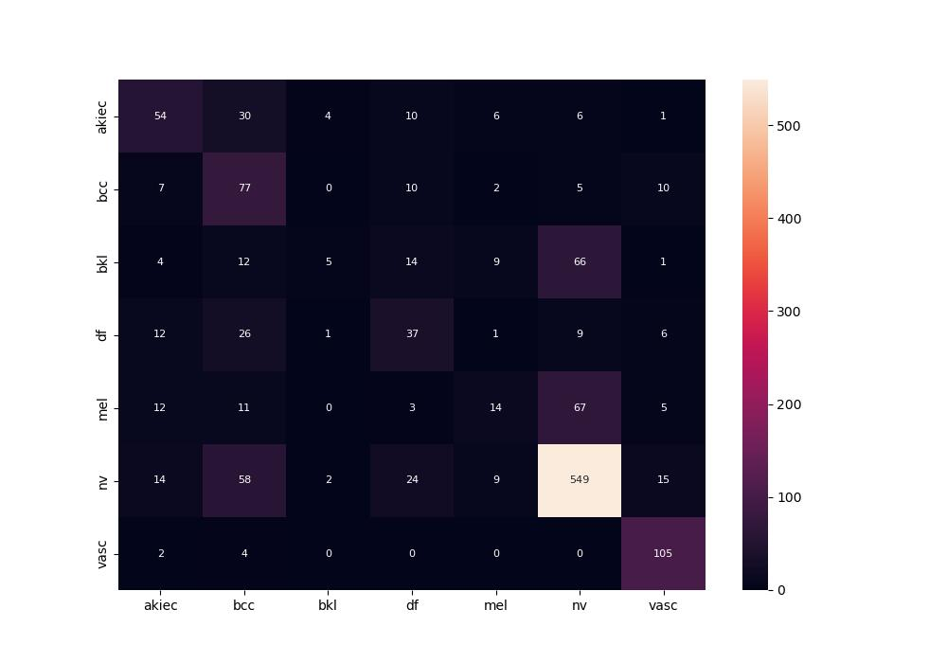
 | 0
pre | 0.50278497736
acc | 0.63760424564
recall | 0.50236098606

