all_metrics
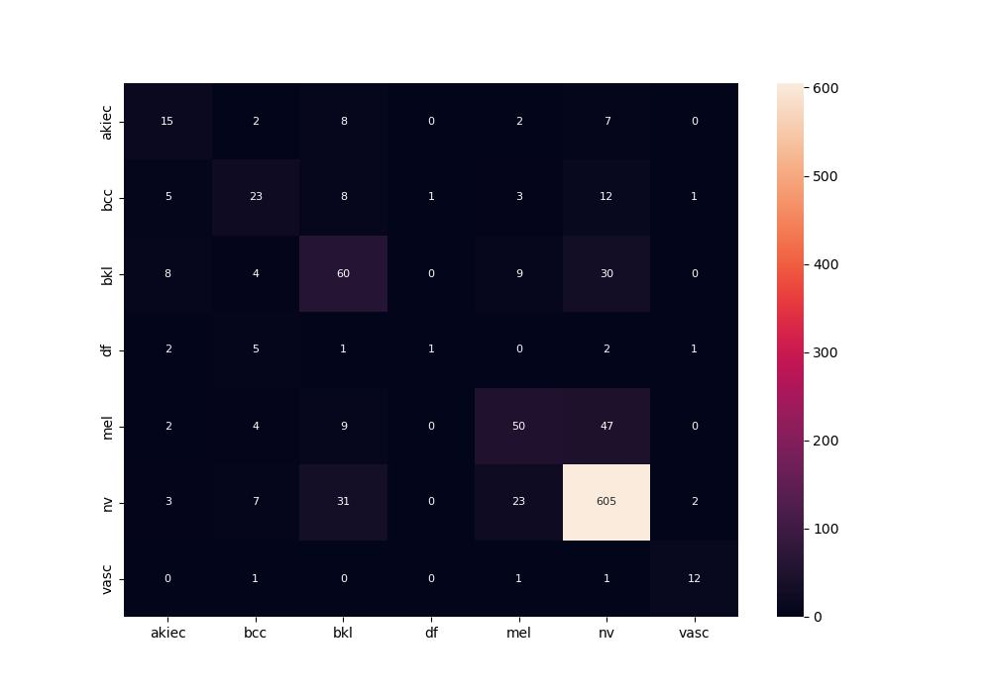
 | 0
pre | 0.58842125137
acc | 0.75992063492
recall | 0.52101150347

