all_metrics
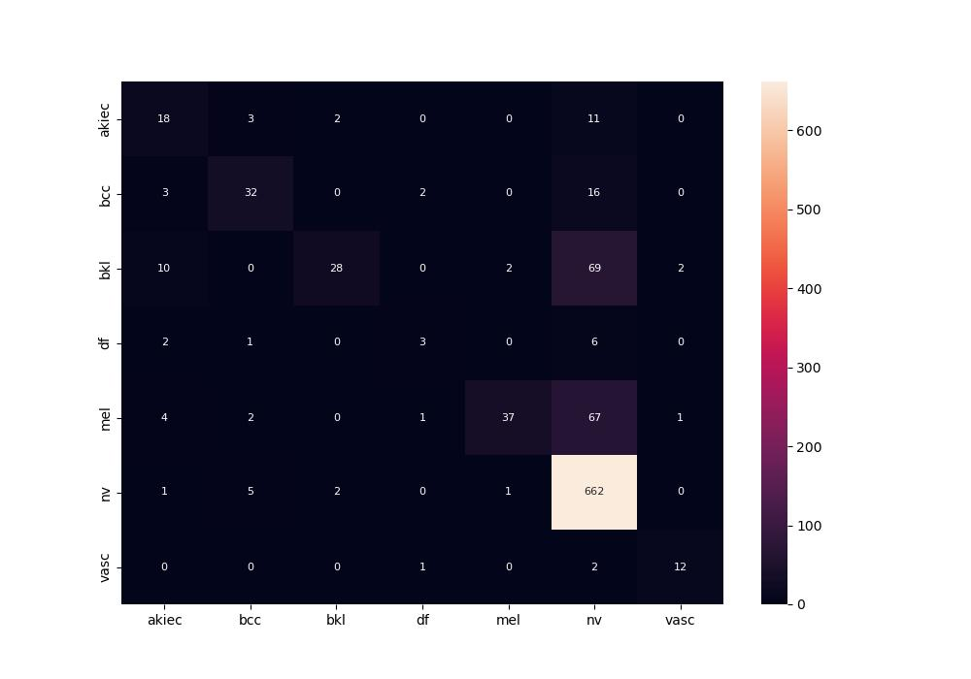
 | 0
pre | 0.72016565325
acc | 0.78571428571
recall | 0.53605456115

