all_metrics
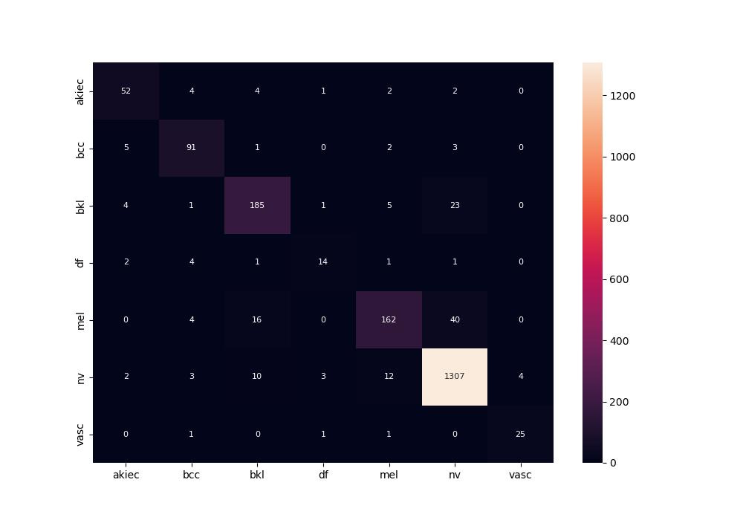
 | 0
pre | 0.84038949245
acc | 0.918
recall | 0.82040486181

