all_metrics
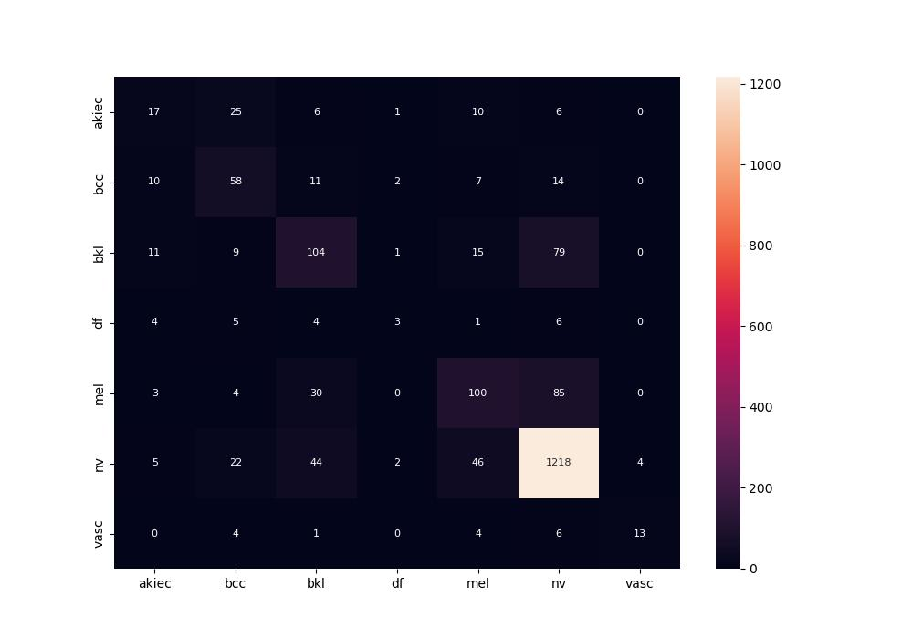
 | 0
pre | 0.54608090787
acc | 0.7565
recall | 0.46550001565

