all_metrics
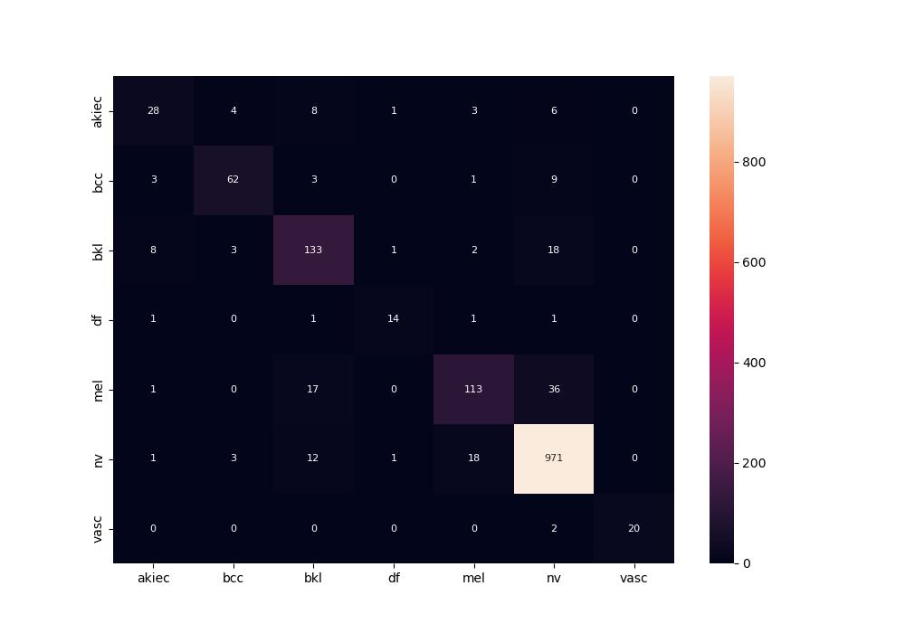
 | 0
pre | 0.83792627798
acc | 0.89043824701
recall | 0.78423664884
roc_auc | 0.98209018006

