all_metrics
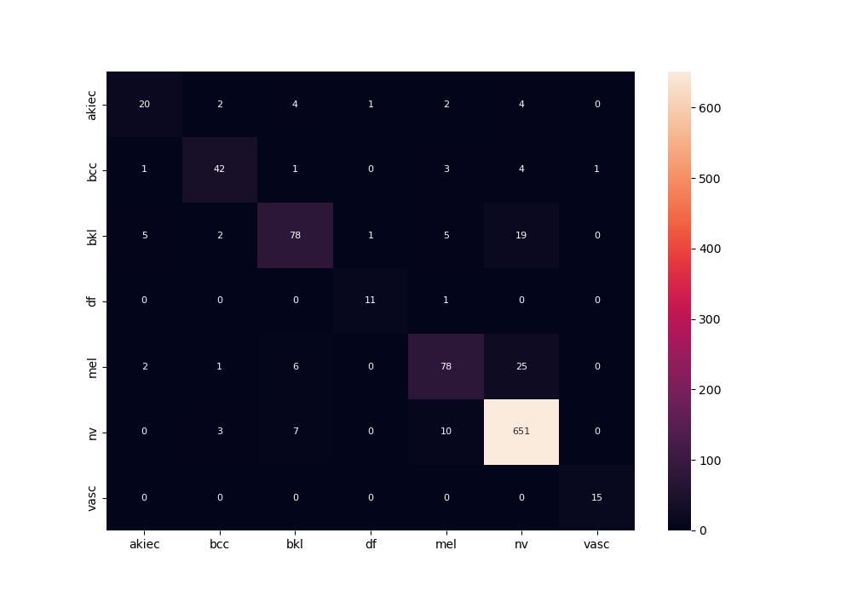
 | 0
pre | 0.83776423468
acc | 0.89054726368
recall | 0.8151618288
roc_auc | 0.97943342523

