all_metrics
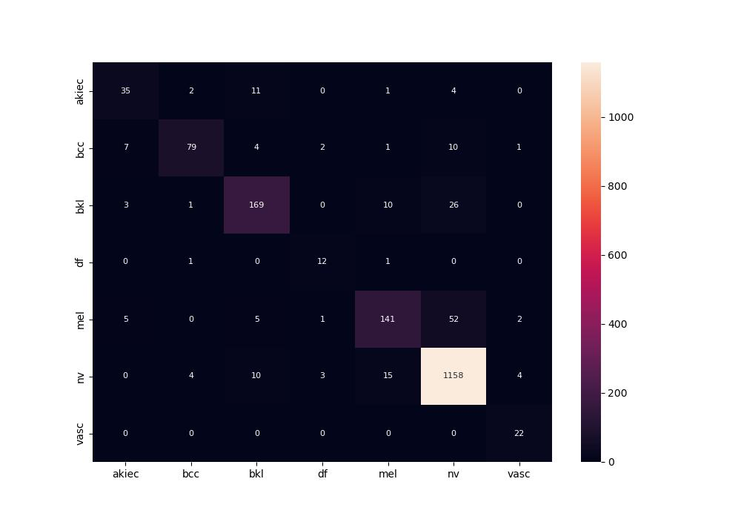
 | 0
pre | 0.80618558445
acc | 0.89678135405
recall | 0.82000904373
roc_auc | 0.98178871949

