all_metrics
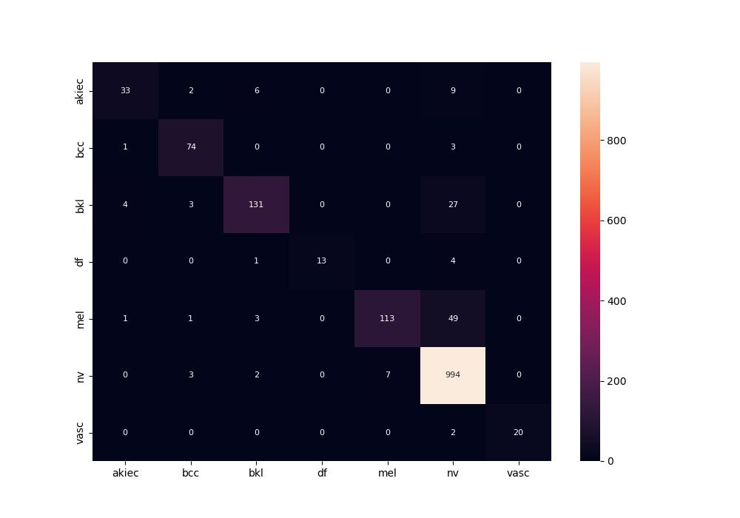
 | 0
pre | 0.92986766216
acc | 0.91500664011
recall | 0.81409839302

