all_metrics
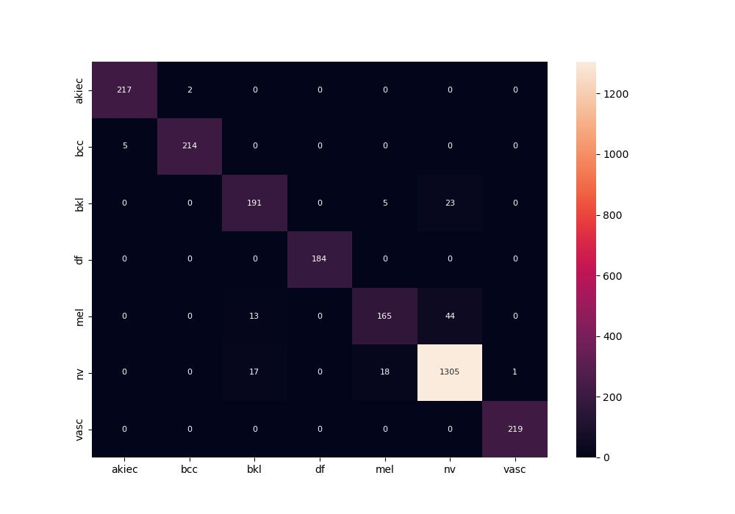
 | 0
pre | 0.95096455894
acc | 0.95120091498
recall | 0.93665432201

