all_metrics
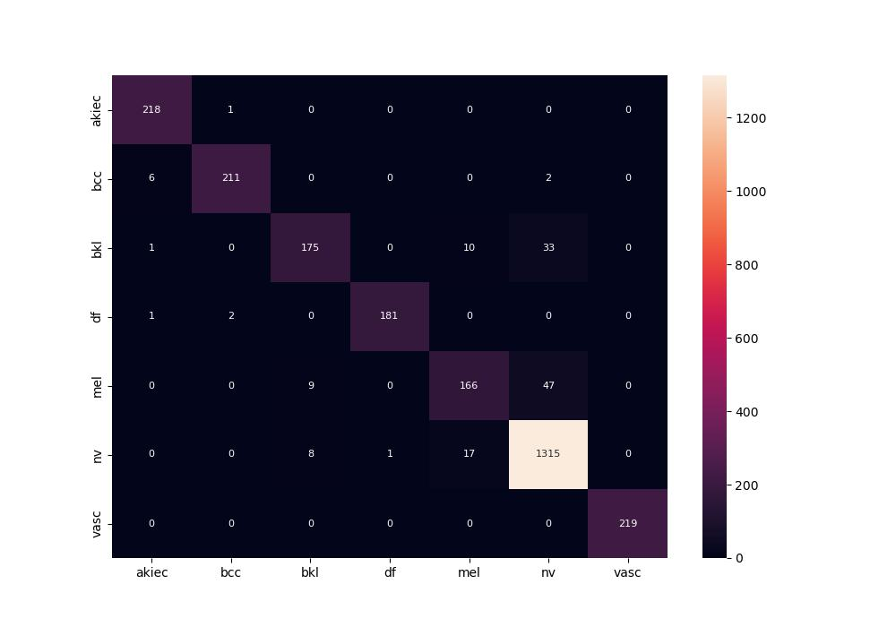
 | 0
pre | 0.95113618926
acc | 0.94738848647
recall | 0.92429225021

