all_metrics
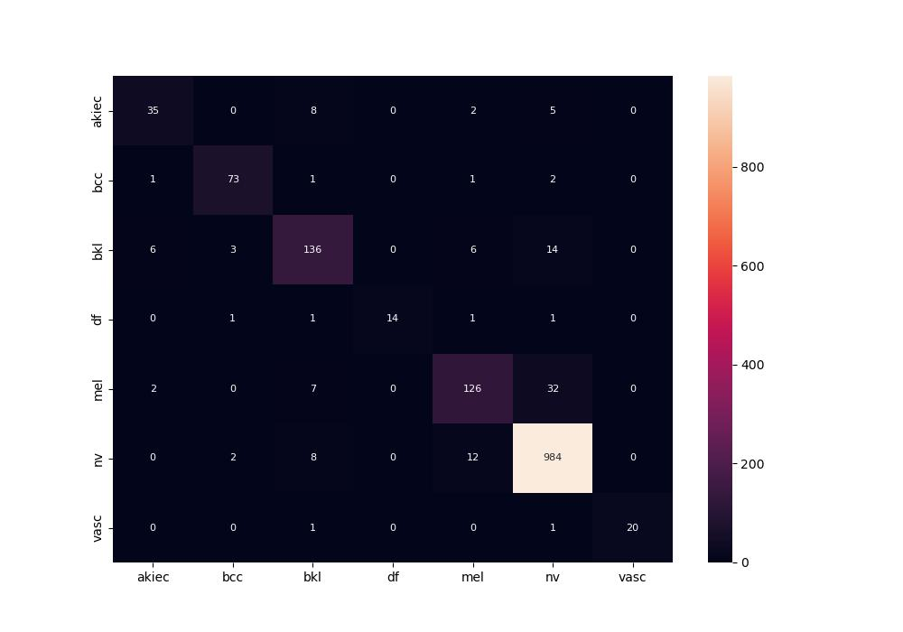
 | 0
pre | 0.90820388395
acc | 0.92164674635
recall | 0.83994725396

