all_metrics
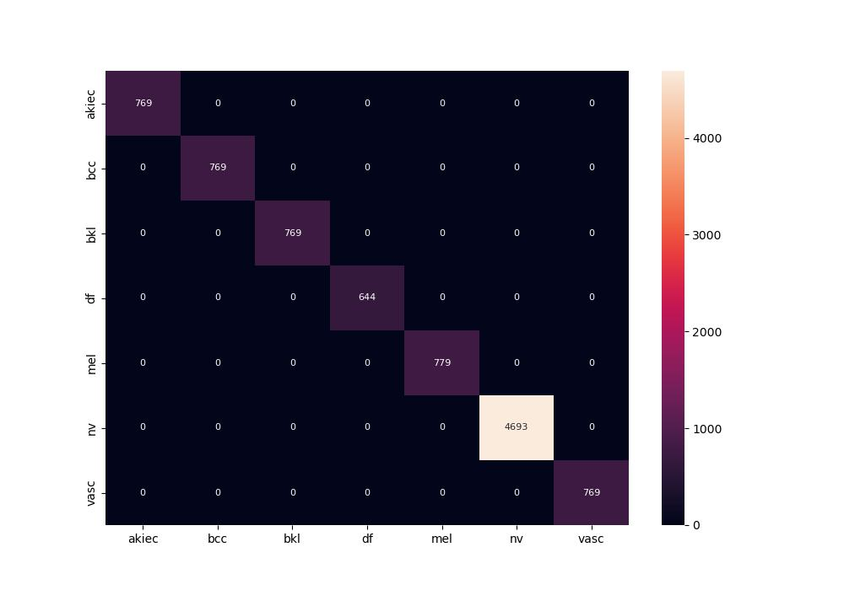
 | 0
pre | 1
acc | 1
recall | 1
roc_auc | 1
sp | 1
sn | 1

