all_metrics
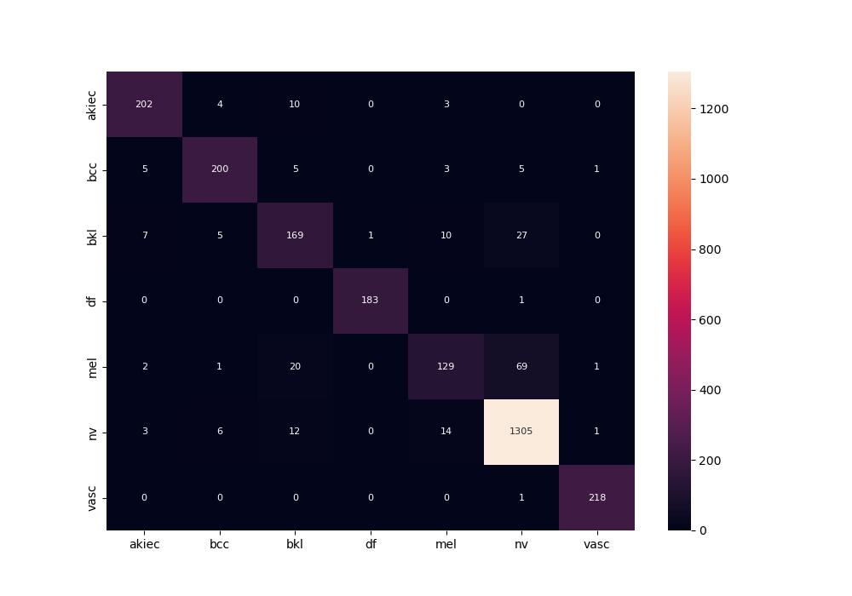
 | 0
pre | 0.90712366642
acc | 0.91727030118
recall | 0.87879148385
roc_auc | 0.98416395893
sp | 0.98174659971
sn | 0.87879148385

