all_metrics
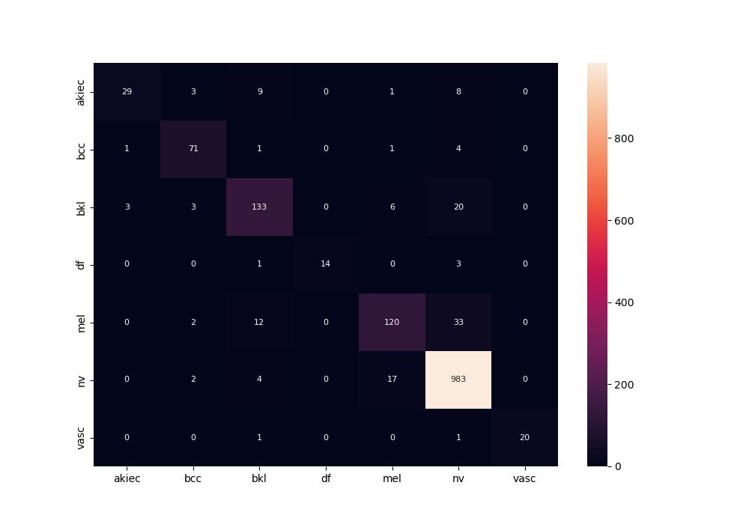
 | 0
pre | 0.90620212835
acc | 0.90969455511
recall | 0.81126939348

