all_metrics
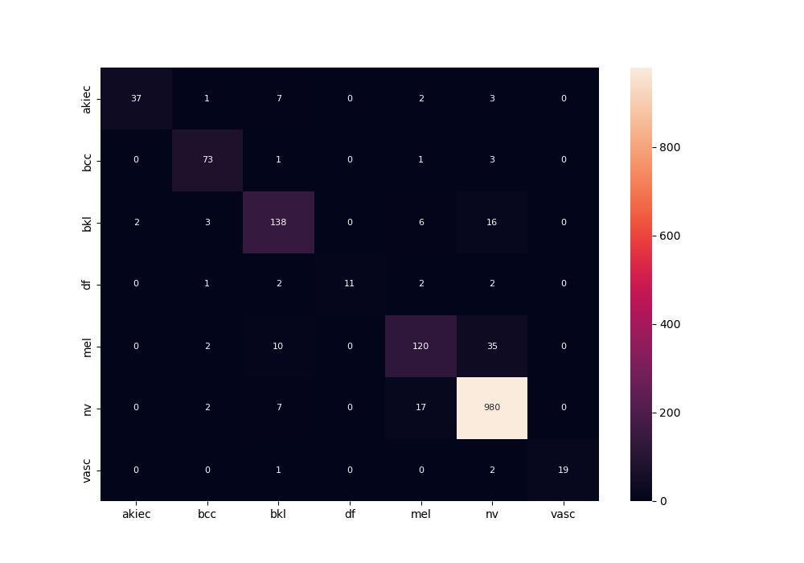
 | 0
pre | 0.91750006582
acc | 0.91500664011
recall | 0.81138949869

