all_metrics
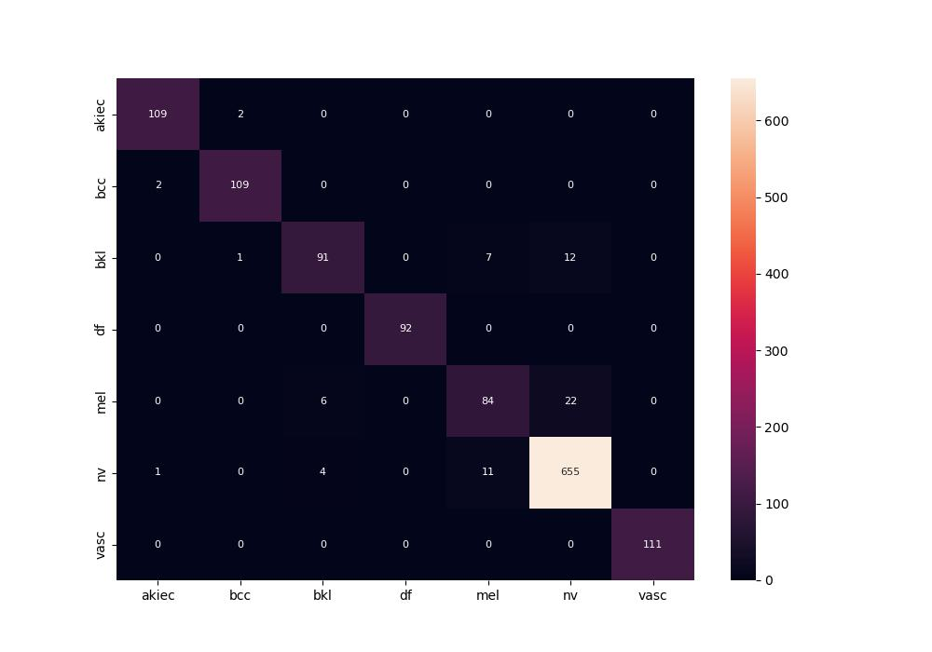
 | 0
pre | 0.94594302895
acc | 0.94844579227
recall | 0.92999125376
roc_auc | 0.99531864445

