all_metrics
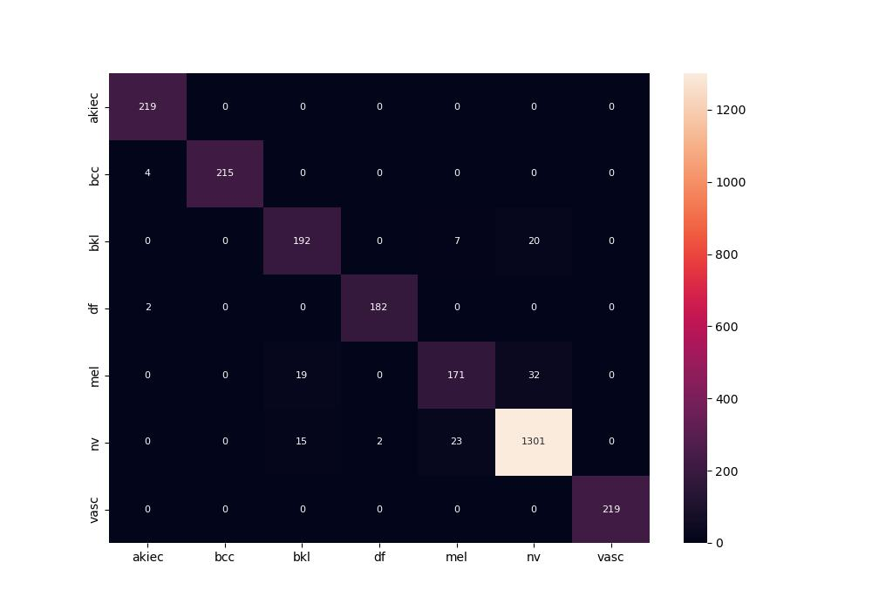
 | 0
pre | 0.94633349247
acc | 0.95272588639
recall | 0.94114567249

