all_metrics
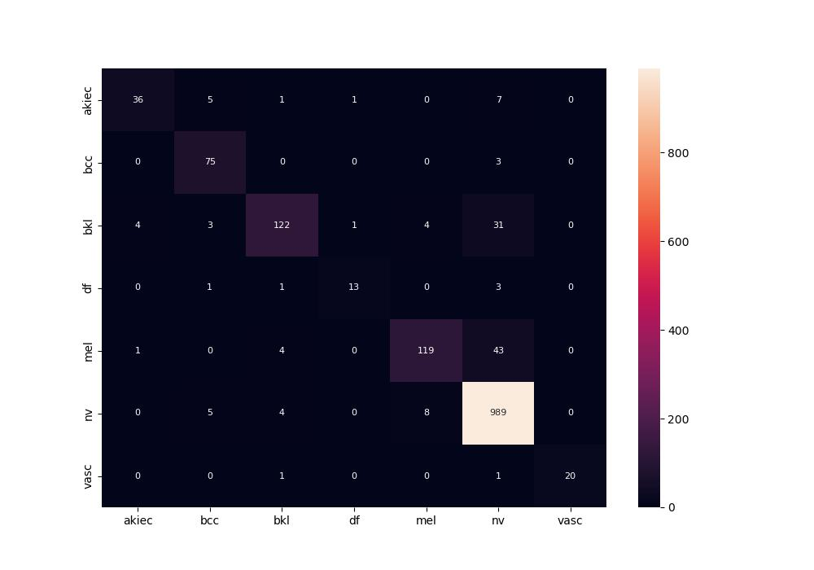
 | 0
pre | 0.90448482952
acc | 0.91235059761
recall | 0.82113168203

