all_metrics
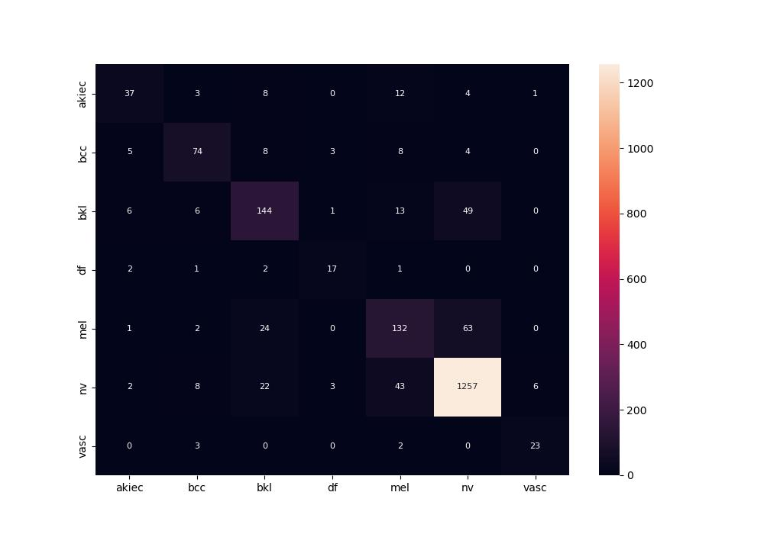
 | 0
pre | 0.73810770648
acc | 0.842
recall | 0.72068128452

