all_metrics
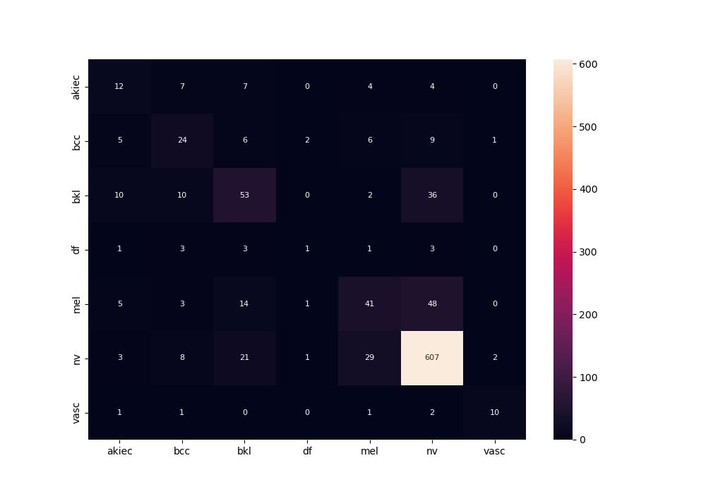
 | 0
pre | 0.51085322097
acc | 0.74206349206
recall | 0.47199146306

