all_metrics
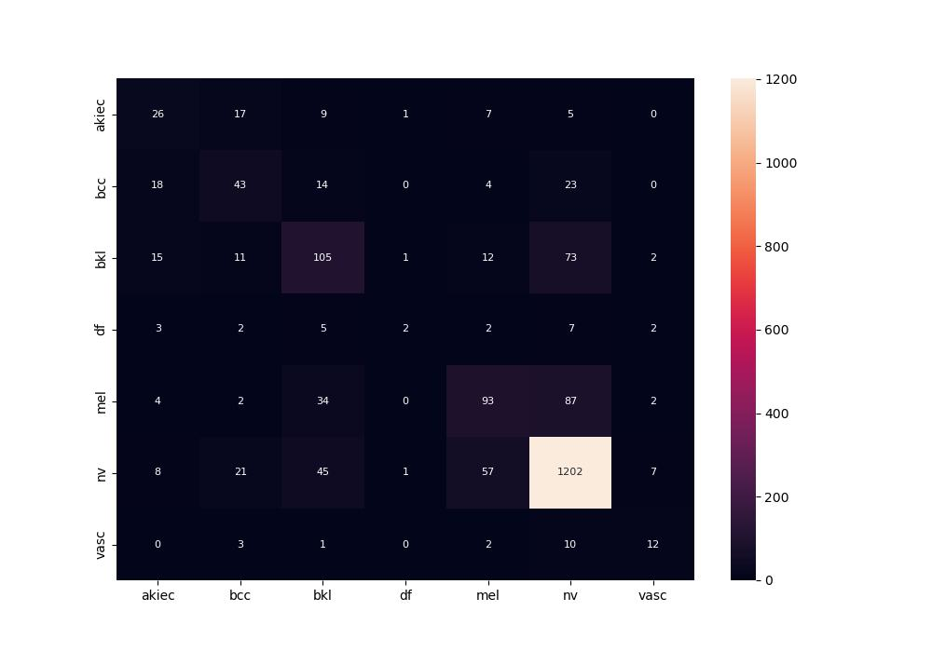
 | 0
pre | 0.50548231284
acc | 0.7415
recall | 0.44740193742

