all_metrics
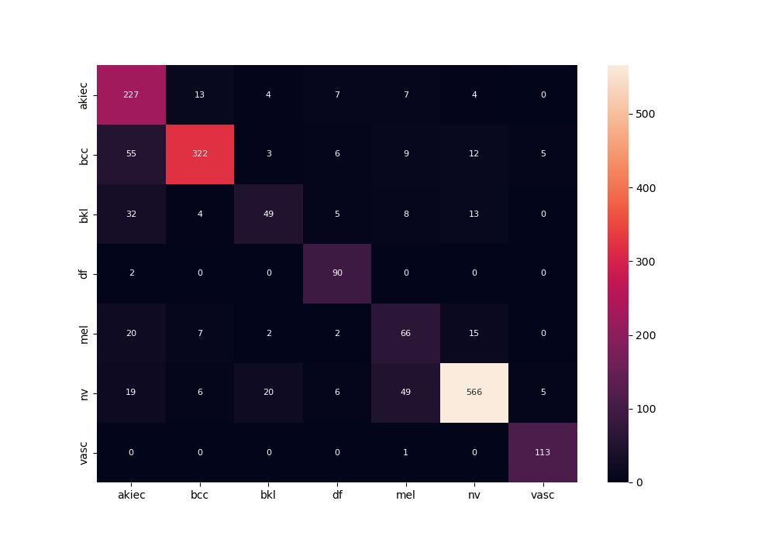
 | 0
pre | 0.75375330786
acc | 0.80777903044
recall | 0.78452840655

