all_metrics
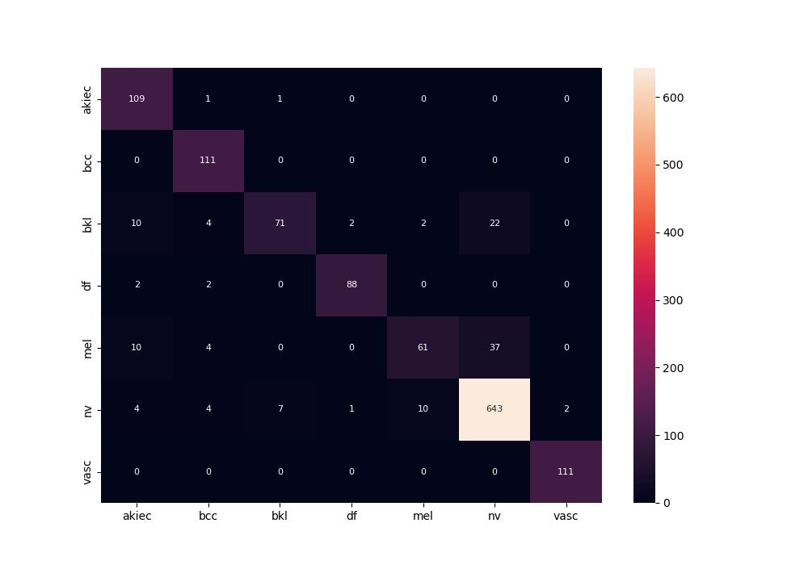
 | 0
pre | 0.89828552455
acc | 0.90523123578
recall | 0.86872249355

