all_metrics
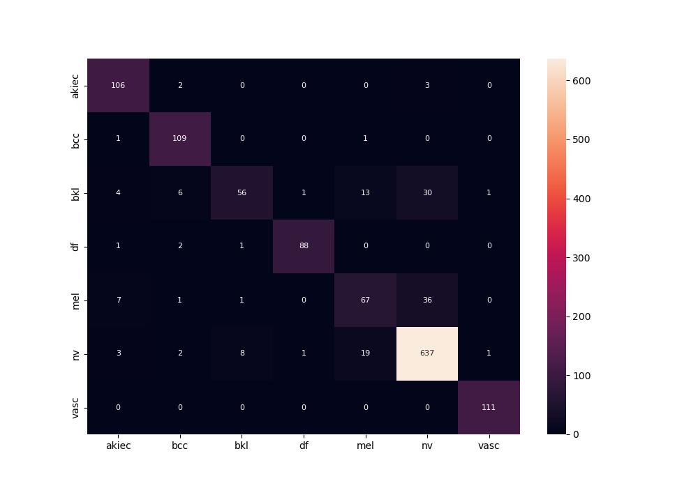
 | 0
pre | 0.87758926888
acc | 0.89006823351
recall | 0.84935811792

