all_metrics
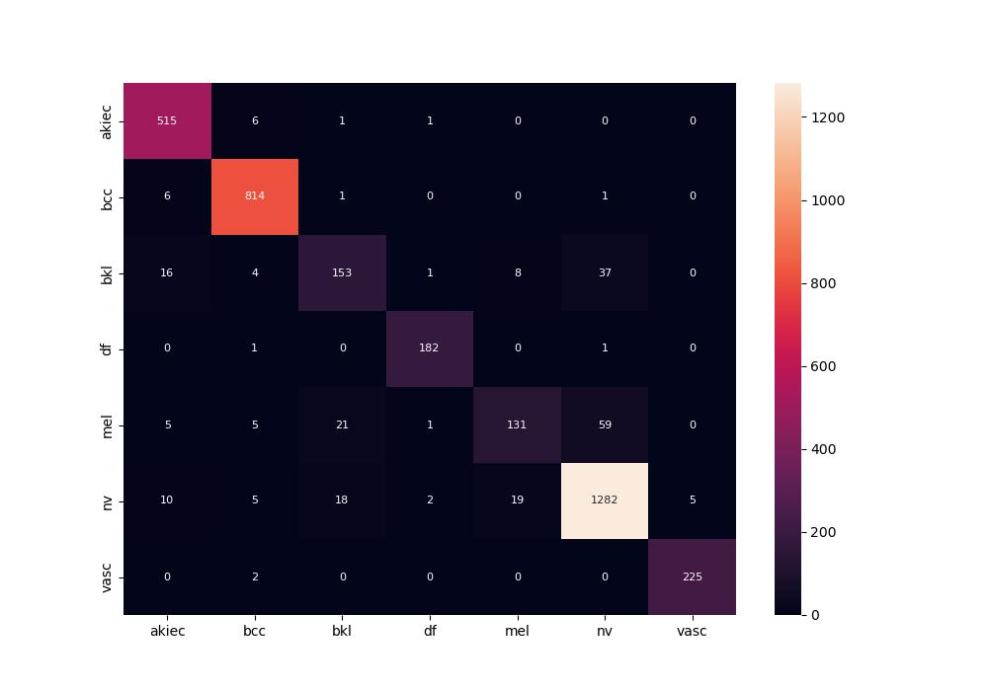
 | 0
pre | 0.91482486418
acc | 0.93329564726
recall | 0.88571633497

