all_metrics
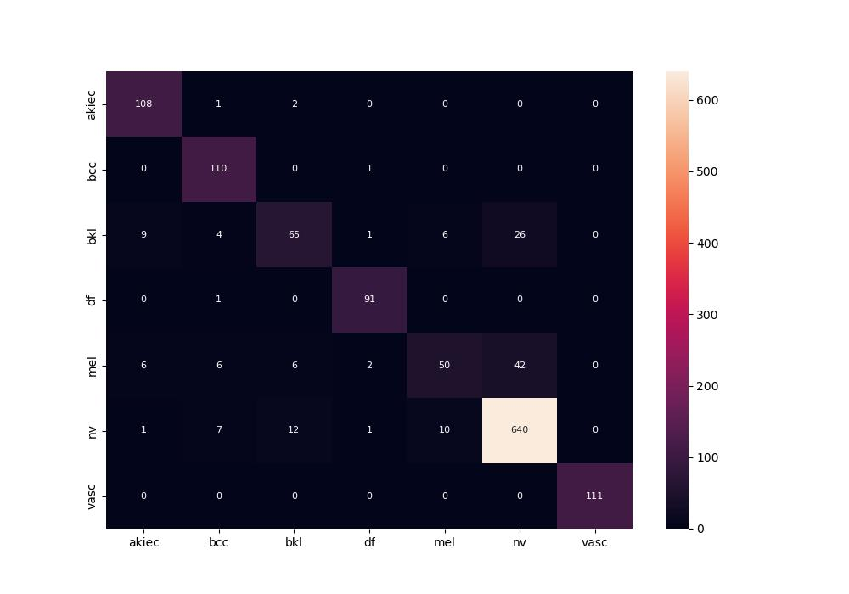
 | 0
pre | 0.87111914701
acc | 0.89082638362
recall | 0.84841555055

