all_metrics
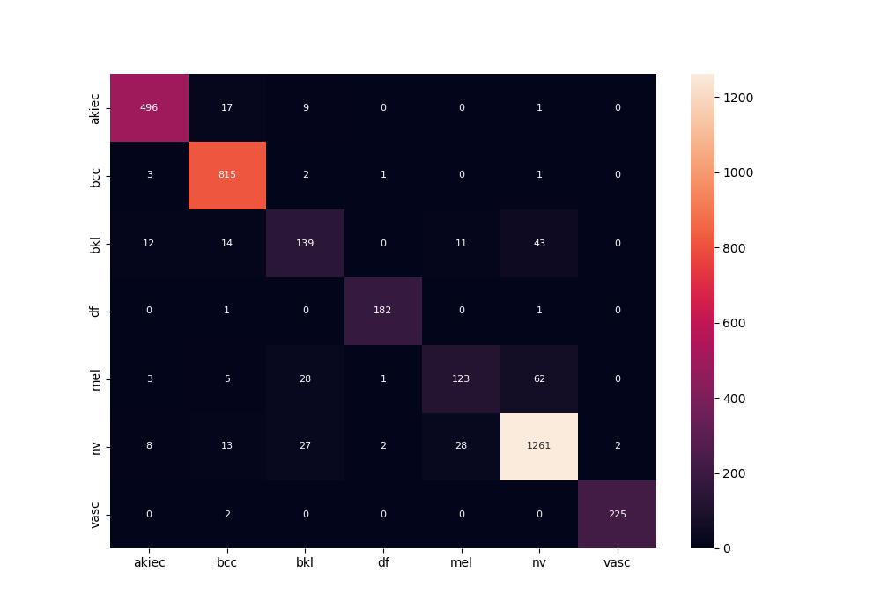
 | 0
pre | 0.88833100416
acc | 0.91605426795
recall | 0.86418272657

