all_metrics
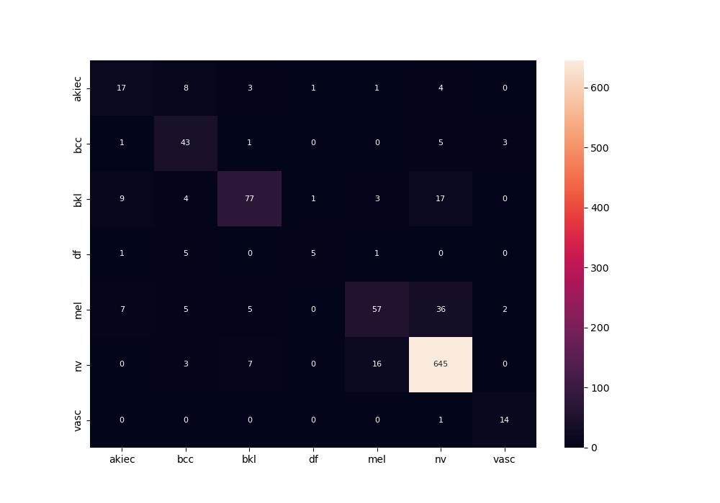
 | 0
pre | 0.71984831652
acc | 0.85119047619
recall | 0.68931355468

