all_metrics
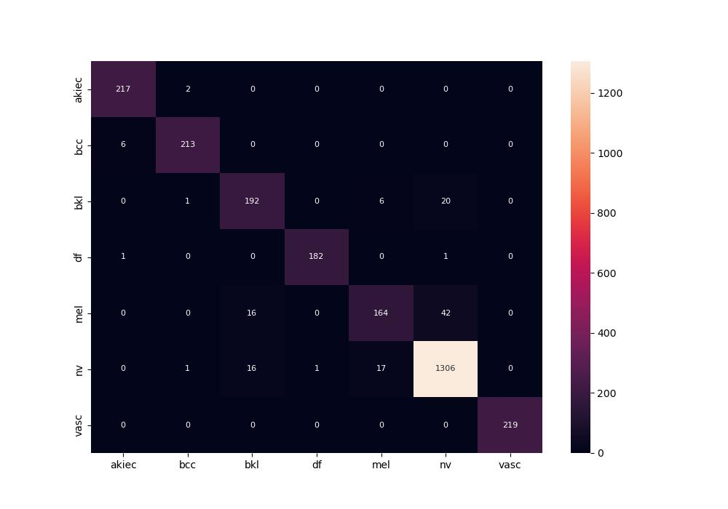
 | 0
pre | 0.94756879317
acc | 0.95043842928
recall | 0.93456455664

