all_metrics
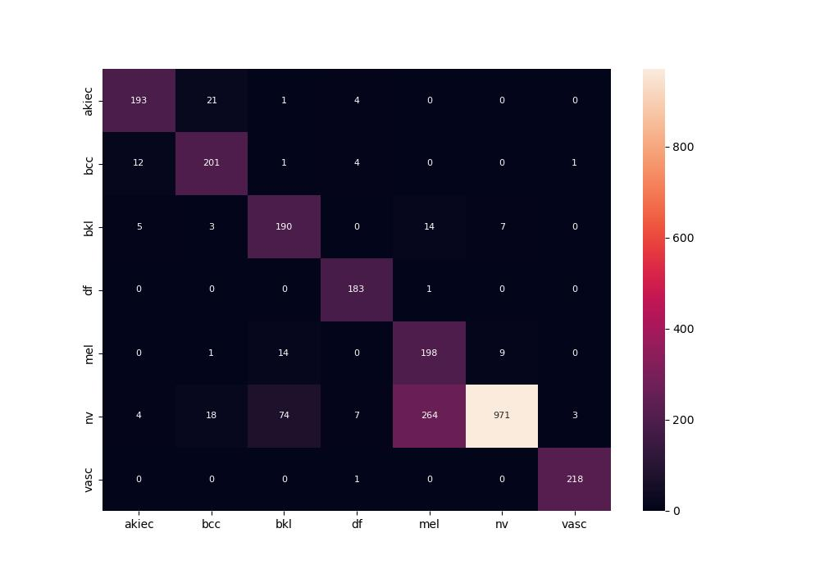
 | 0
pre | 0.8149535216
acc | 0.82119710255
recall | 0.89609200979

