all_metrics
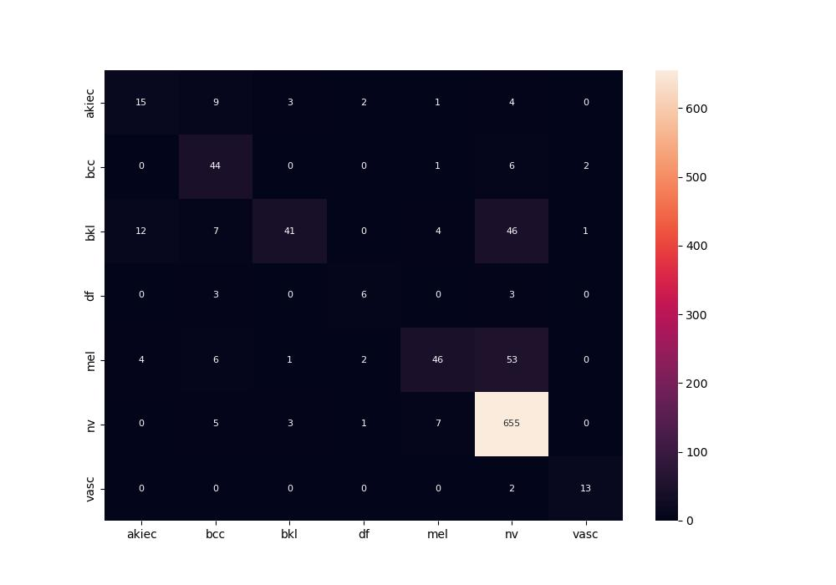
 | 0
pre | 0.70314333115
acc | 0.81349206349
recall | 0.62775292345

