all_metrics
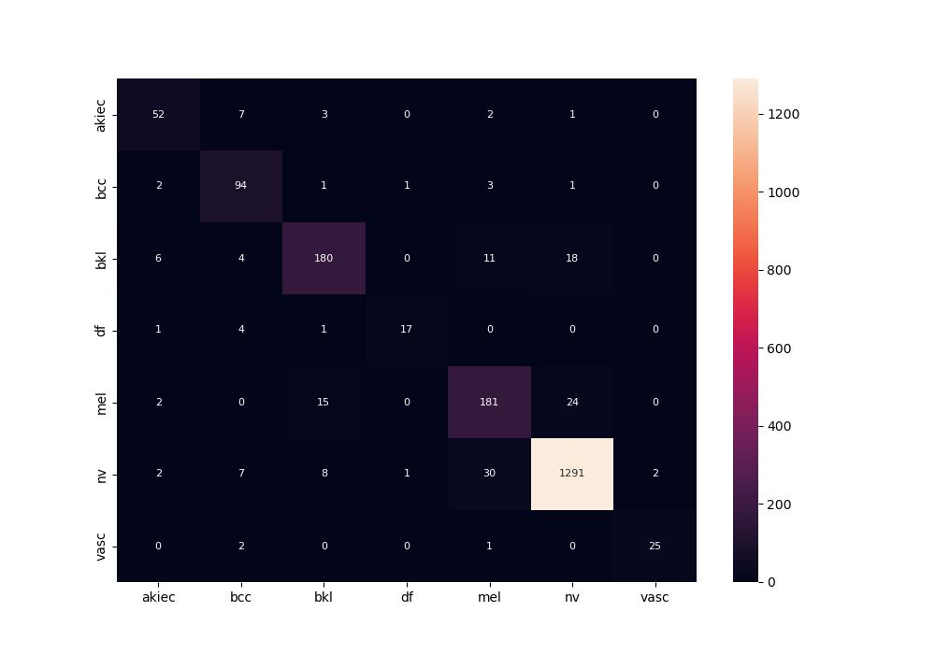
 | 0
pre | 0.86336548579
acc | 0.92
recall | 0.85050053155

