all_metrics
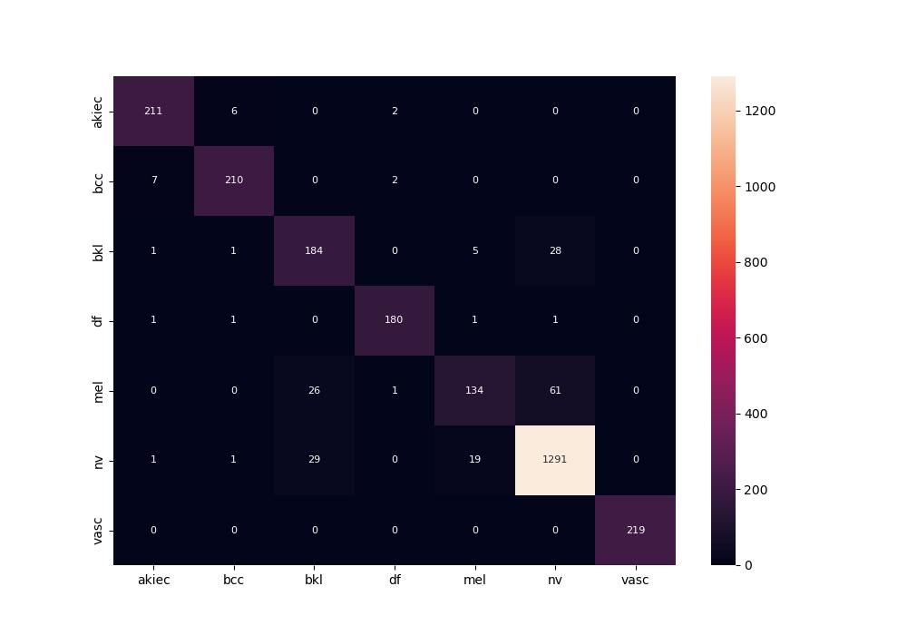
 | 0
pre | 0.91915711712
acc | 0.92603888677
recall | 0.90101942043

