all_metrics
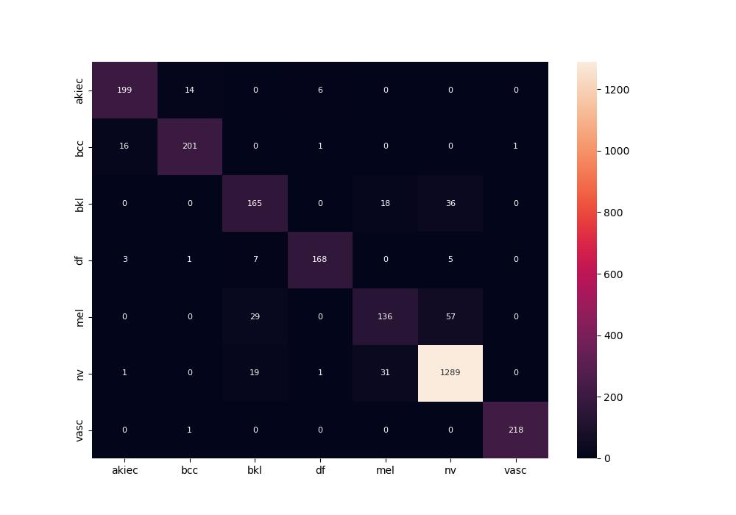
 | 0
pre | 0.88562876679
acc | 0.90583301563
recall | 0.86603164637

