all_metrics
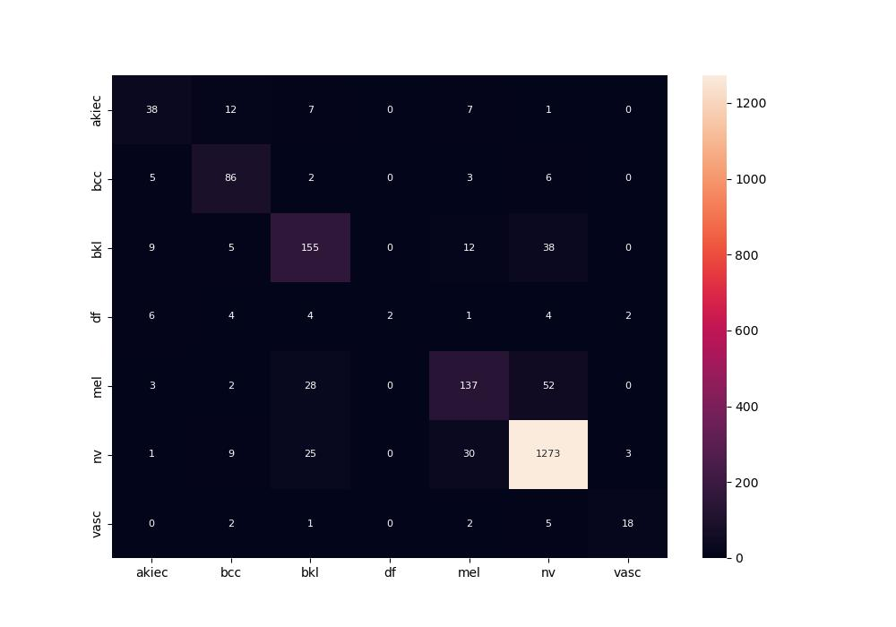
 | 0
pre | 0.77815016541
acc | 0.8545
recall | 0.63310536454

