all_metrics
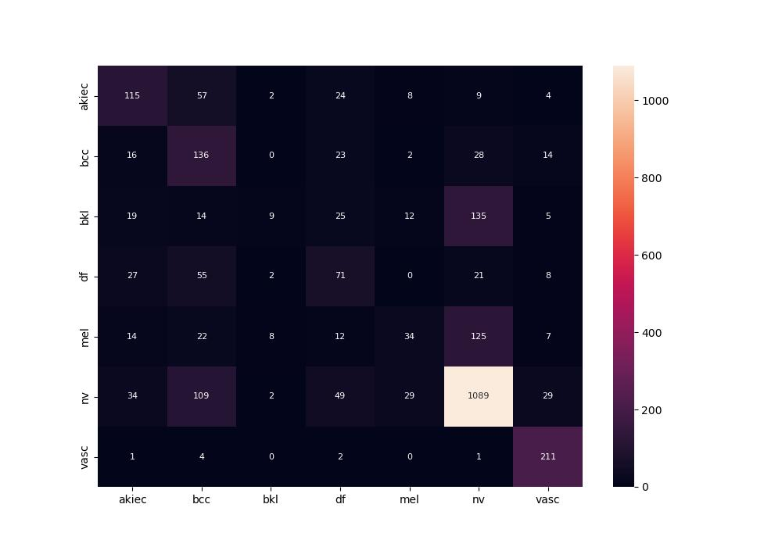
 | 0
pre | 0.50283052497
acc | 0.63476934807
recall | 0.50025545526

