all_metrics
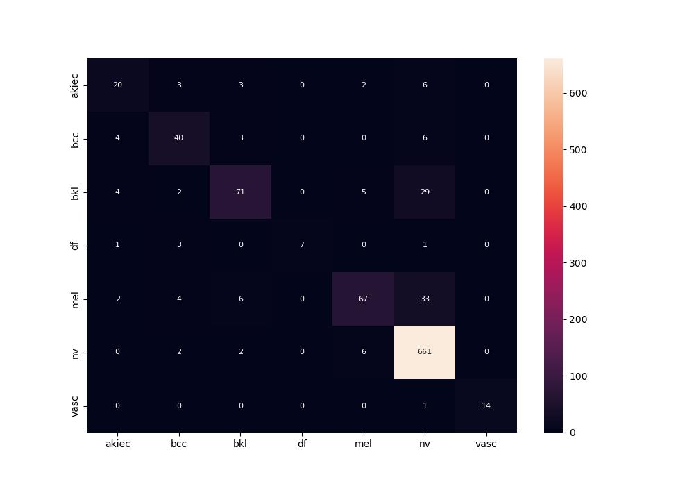
 | 0
pre | 0.85079648412
acc | 0.87301587302
recall | 0.72608139109

