all_metrics
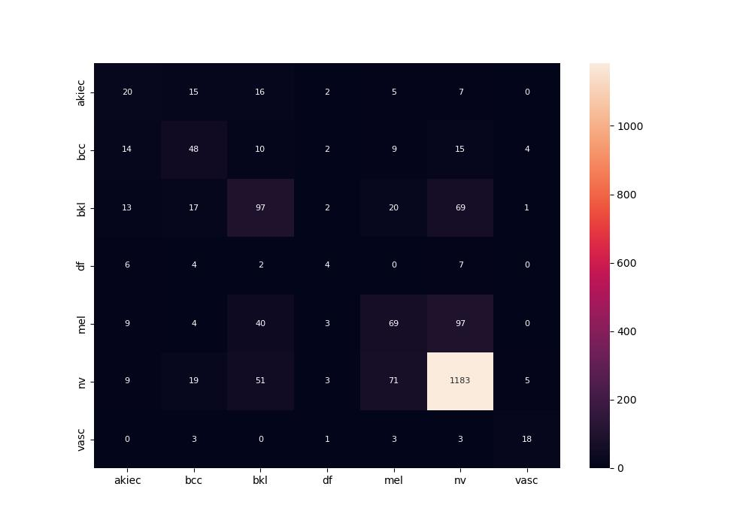
 | 0
pre | 0.47024789341
acc | 0.7195
recall | 0.46156591344

