all_metrics
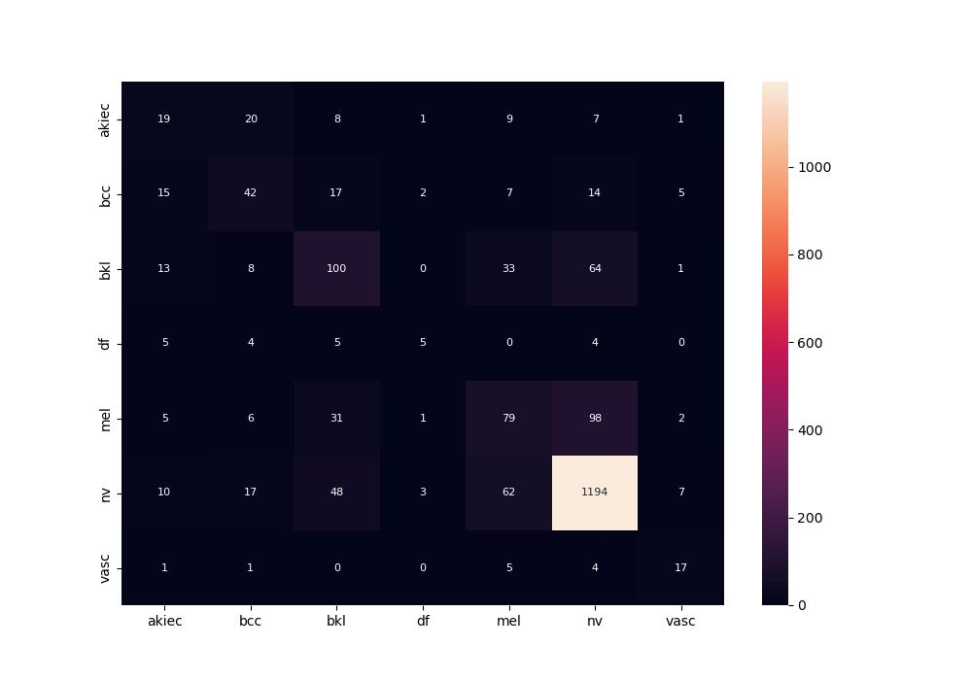
 | 0
pre | 0.48364176322
acc | 0.728
recall | 0.46163767619

