all_metrics
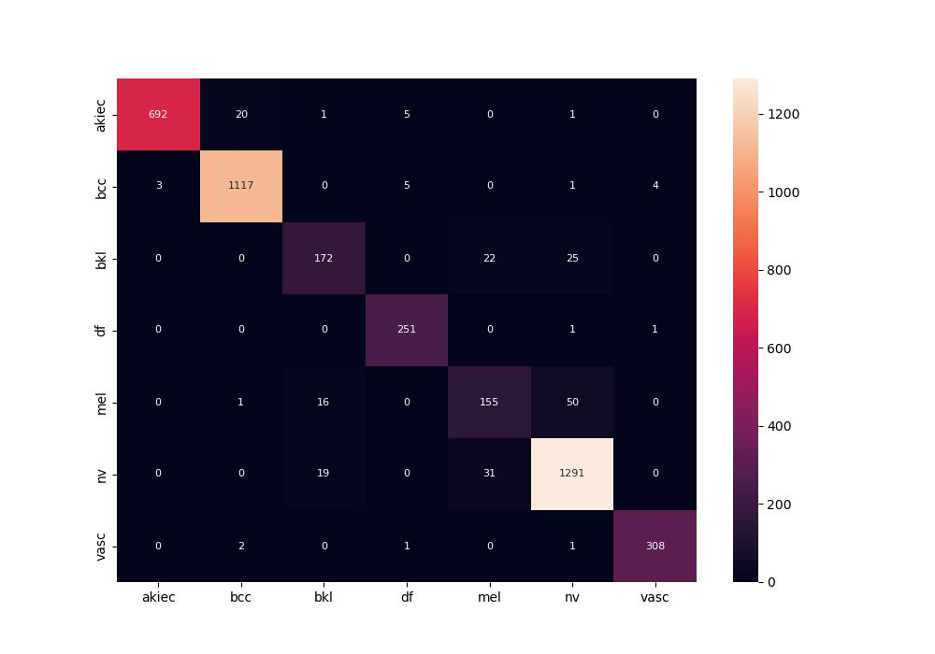
 | 0
pre | 0.91885714171
acc | 0.94995233556
recall | 0.91093121237
roc_auc | 0.99067600334

