all_metrics
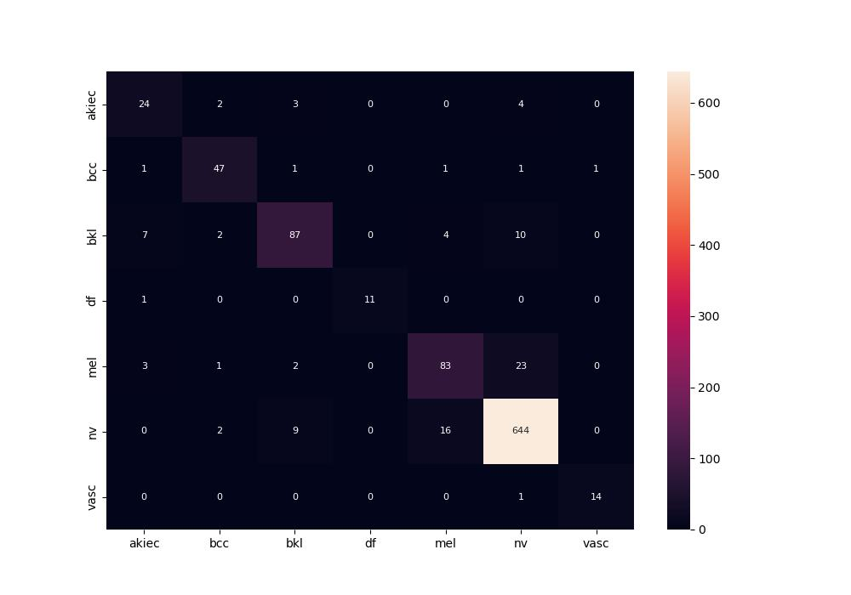
 | 0
pre | 0.86632677786
acc | 0.90547263682
recall | 0.85326585007
roc_auc | 0.98504910409

