all_metrics
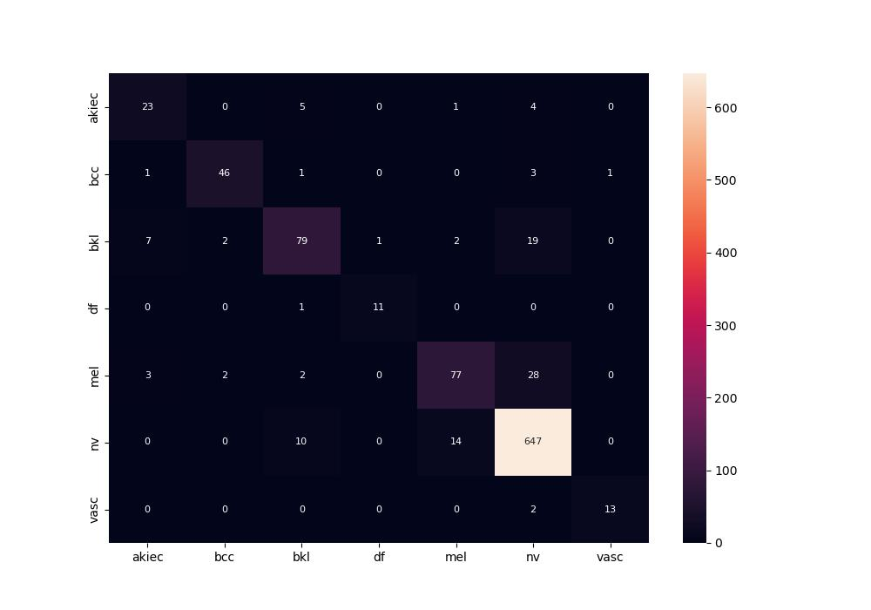
 | 0
pre | 0.85533163752
acc | 0.89154228856
recall | 0.81926181742
roc_auc | 0.9838179119

