all_metrics
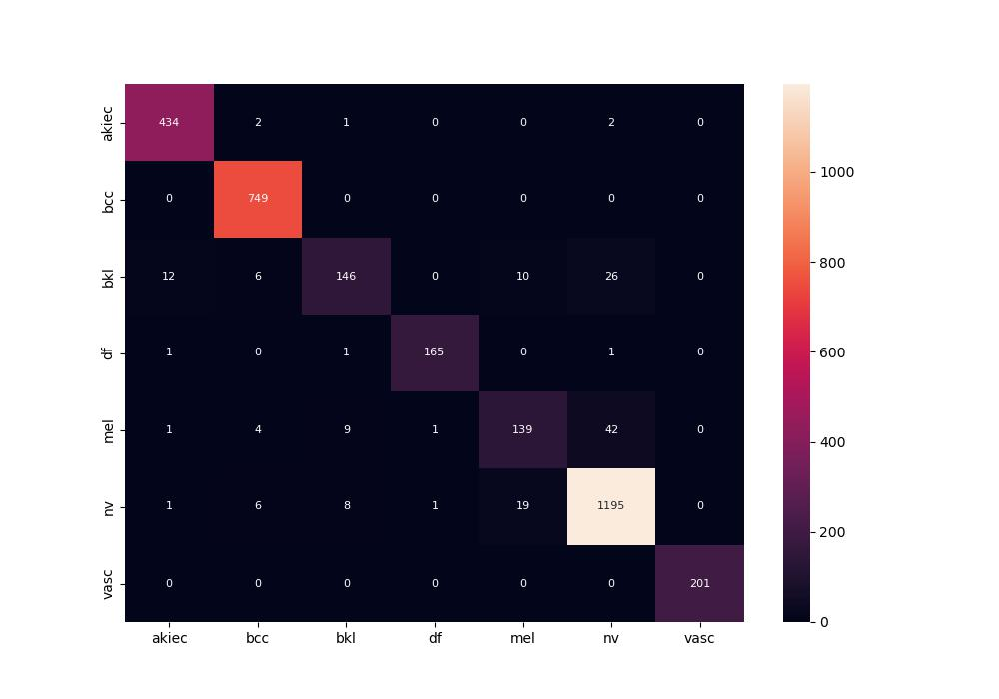
 | 0
pre | 0.94104223015
acc | 0.95161797047
recall | 0.91164024635
roc_auc | 0.99368073449

