all_metrics
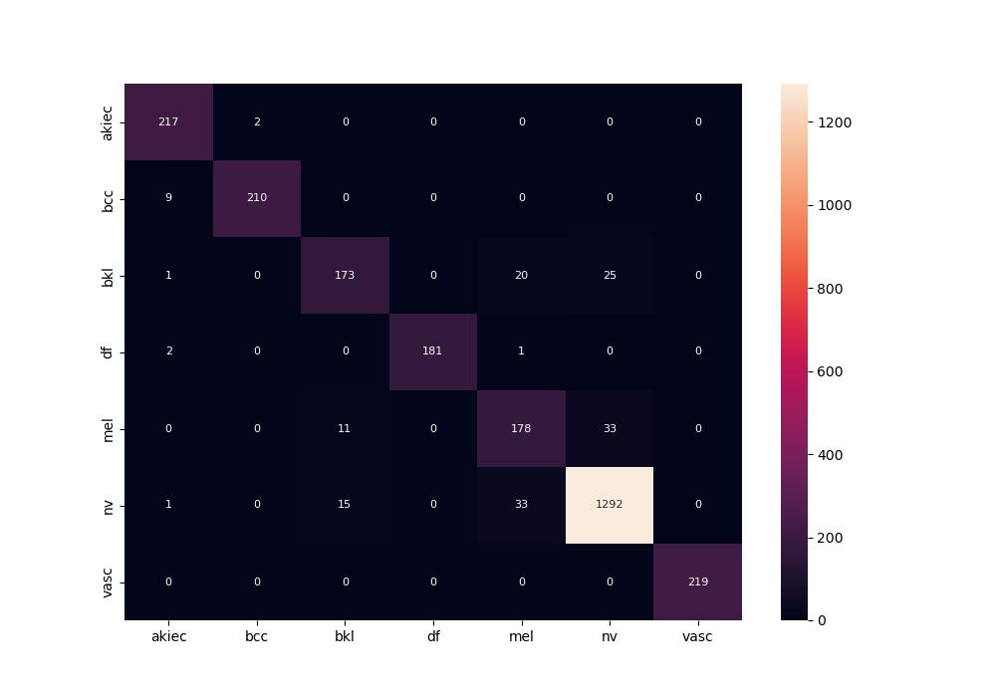
 | 0
pre | 0.93252420695
acc | 0.94166984369
recall | 0.92695479797

