all_metrics
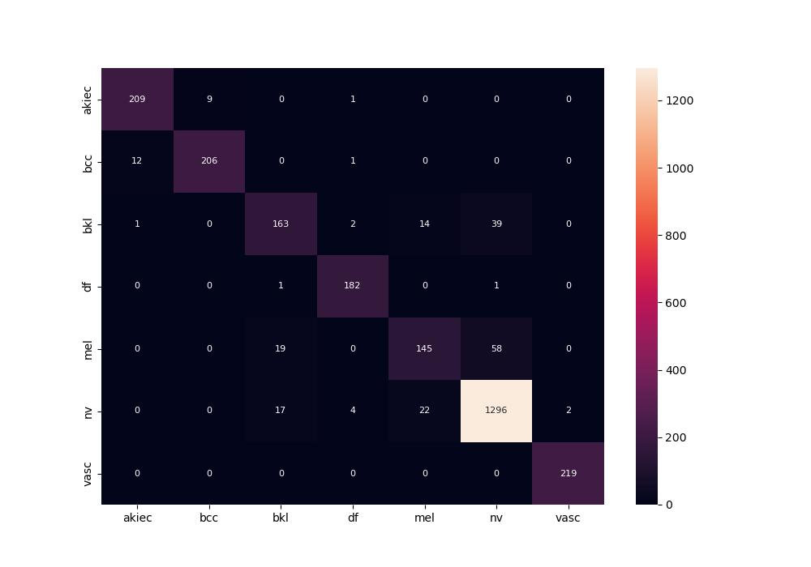
 | 0
pre | 0.91346137436
acc | 0.92260770111
recall | 0.89257084962

