all_metrics
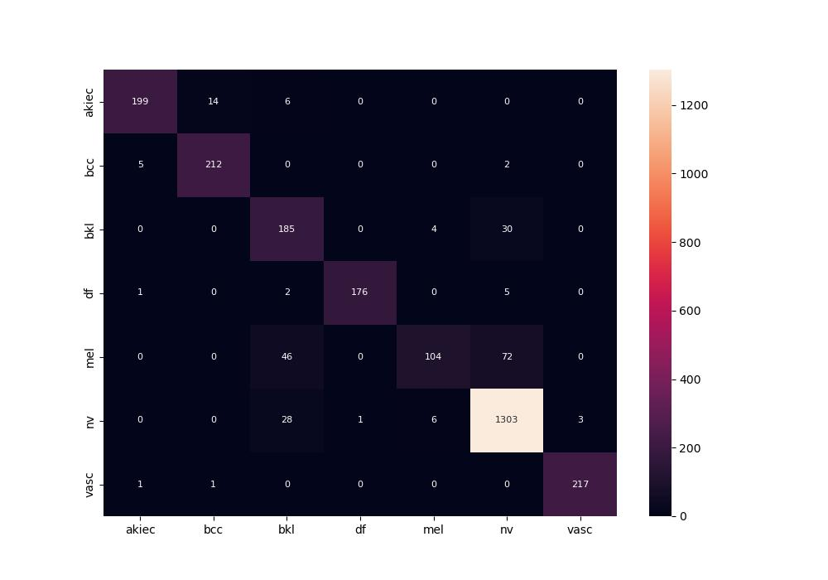
 | 0
pre | 0.9155175958
acc | 0.91345787266
recall | 0.87271170183

