all_metrics
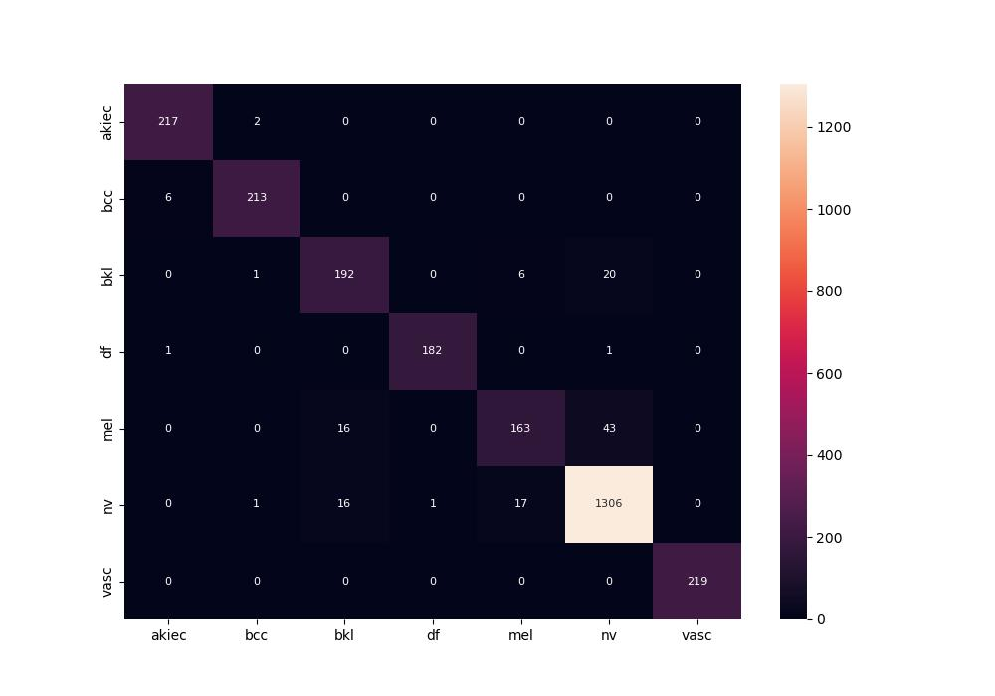
 | 0
pre | 0.94737485059
acc | 0.95005718643
recall | 0.933921056

