all_metrics
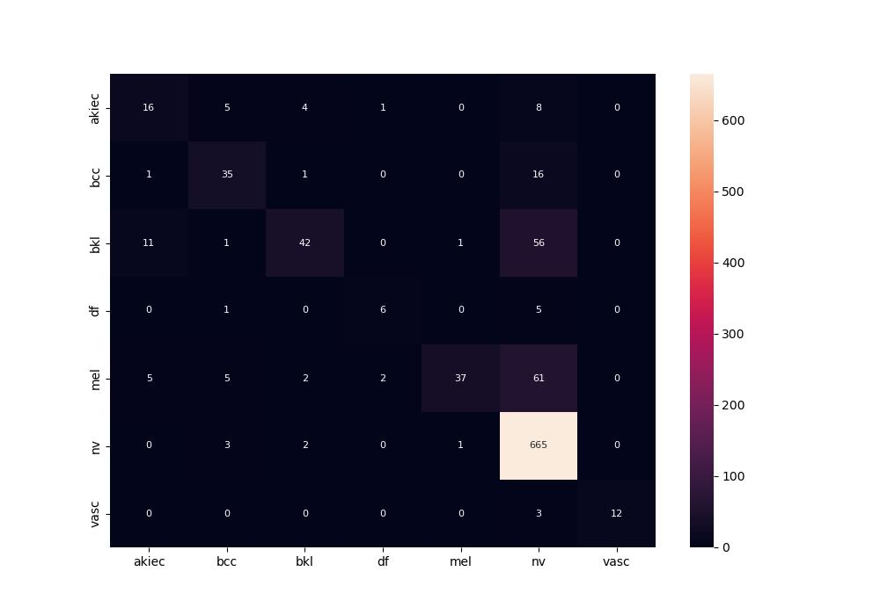
 | 0
pre | 0.77724511842
acc | 0.80654761905
recall | 0.59010846246

